Sheet1
DSD 284 - Enhance NRT to support future activities for this CR i automated the process of creation UD files.

steps to create csSvBulkAct Ud file

click on the ud.exe file in the folder

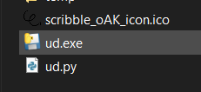

Choose the env and Activate option
Enter the folder name(should be on base path) where you wish to have Ud file generated. [Note if the folder name is not mentioned new folder will be created on the base path.]
Click on Go!

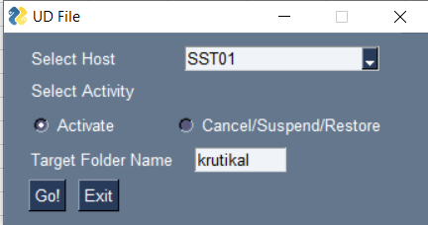

Enter the details in the text box then click on Go.

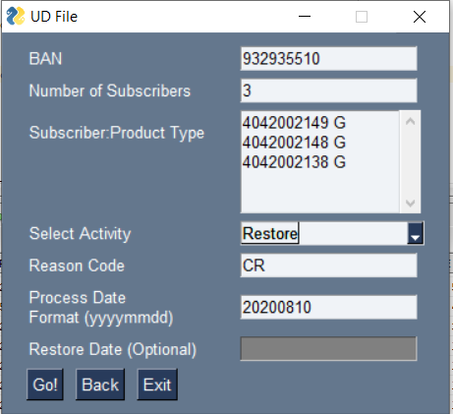

Choose yes option if you wish to save this file on the local machine

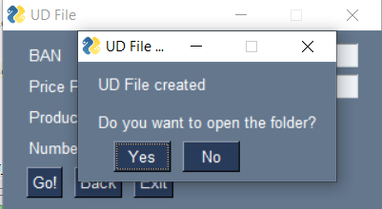

The file will be saved on the local machine if you have clicked on Yes

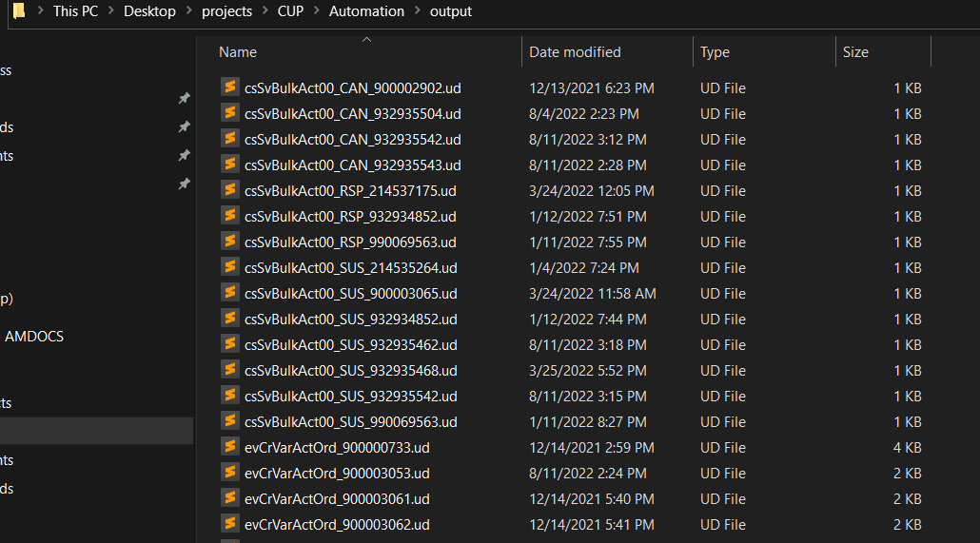

Click on the yes button to upload the file on the server

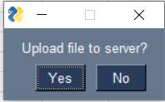

Pop up will appear to update that file is uploaded

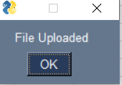

File is created in the given directory.

